Metrics and Plots
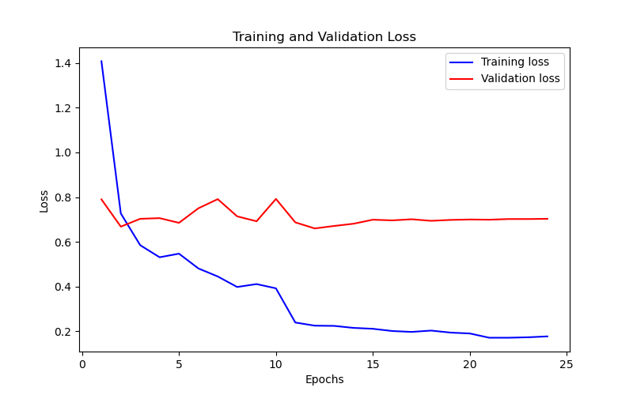
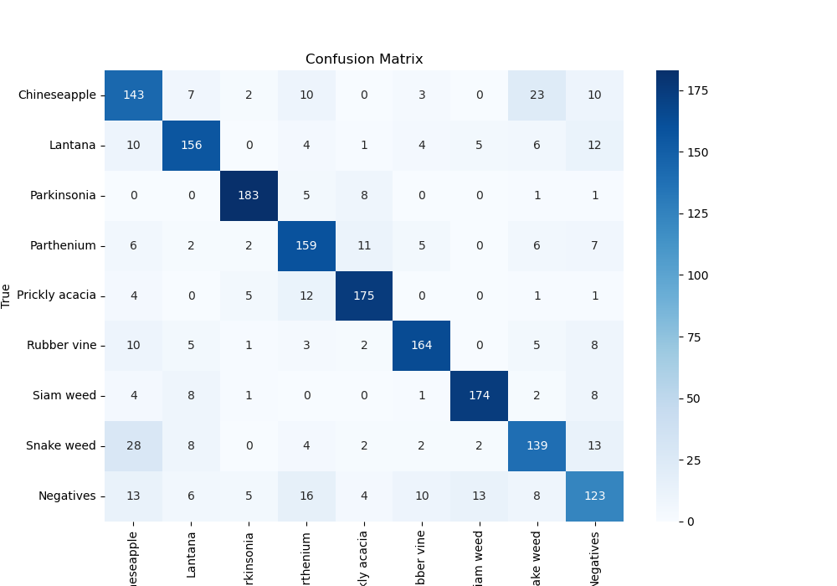
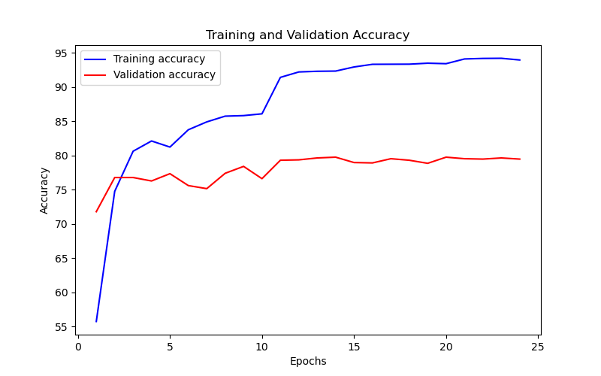
Epoch | Train Accuracy | Train Loss | Validation Accuracy | Validation Loss
1 | 55.72 | 1.408 | 71.77328844 | 0.79
2 | 74.75 | 0.727 | 76.767676768 | 0.668
3 | 80.61 | 0.585 | 76.767676768 | 0.703
4 | 82.11 | 0.531 | 76.262626263 | 0.706
5 | 81.22 | 0.547 | 77.328843996 | 0.685
6 | 83.75 | 0.481 | 75.589225589 | 0.75
7 | 84.9 | 0.445 | 75.140291807 | 0.791
8 | 85.74 | 0.398 | 77.384960718 | 0.714
9 | 85.82 | 0.411 | 78.395061728 | 0.692
10 | 86.08 | 0.392 | 76.599326599 | 0.792
11 | 91.41 | 0.239 | 79.292929293 | 0.687
12 | 92.2 | 0.225 | 79.349046016 | 0.66
13 | 92.3 | 0.224 | 79.62962963 | 0.671
14 | 92.33 | 0.215 | 79.741863075 | 0.681
15 | 92.93 | 0.211 | 78.956228956 | 0.699
16 | 93.32 | 0.201 | 78.900112233 | 0.696
17 | 93.33 | 0.197 | 79.517396184 | 0.701
18 | 93.34 | 0.203 | 79.292929293 | 0.694
19 | 93.48 | 0.194 | 78.843995511 | 0.698
20 | 93.41 | 0.19 | 79.741863075 | 0.7
21 | 94.1 | 0.171 | 79.517396184 | 0.699
22 | 94.18 | 0.171 | 79.461279461 | 0.702
23 | 94.2 | 0.173 | 79.62962963 | 0.702
24 | 93.95 | 0.177 | 79.461279461 | 0.703

